MSCI
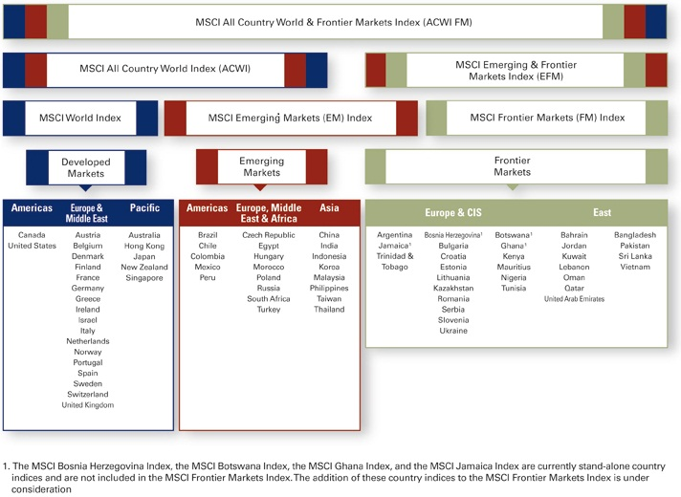

Quelle:
http://www.mscibarra.com/products/indices/international_equity_indices/ |  |  | Nur Large und Mid Caps!
 |  |  | LargeCap = 70% der MK, MidCap = die nächsten 15% --> Summe 85% der MK
Wenn auch Small Caps mit betrachtet werden sollen, bietet sich der MSCI ACWI IMI (Investible Market Index) an; SC machen 14% der MK aus, 1% fällt unter'm Tisch.
http://www.mscibarra.com/products/indices/global_equity_indices/acwi-imi/
http://www.mscibarra.com/resources/pdfs/ACWI_IMI_Factsheet_updated_0610.pdf

MSCI Frontier Markets Indices |  | http://www.mscibarra.com/products/indices/global_equity_indices/fm/
 | MSCI’s Frontier Markets Indices cover 26 countries outside the traditional developed and emerging markets and include five GCC countries.
 | With the introduction of a complete set of MSCI Frontier Markets Small Cap Indices in December 2010, MSCI offers MSCI Frontier Markets IMI Indices covering over 400 securities with large, mid and small cap representation across the 26 frontier markets countries.

MSCI GCC Countries ex Saudia Arabia Indices
 | MSCI GCC Countries ex Saudia Arabia Indices cover countries in the Gulf Corporation Council including: the United Arab Emirates, Kuwait, Qatar, Bahrain, and Oman.

MSCI Frontier Markets Small Cap Indices

