BIPtiser
82.82% |  |  | Standard | Small | Micro | BIPtiser v2.14
 |  |  | 85% | 14% | 1%
Developed Markets - Americas |  | 25.02% | TRUE | TRUE | FALSE | © sparfux 2012
Developed Markets - Europe & Middle East |  | 22.72% | TRUE | TRUE | FALSE
Developed Markets - Pacific |  | 11.37% | TRUE | FALSE | FALSE | Jahr: | 2012 | Min: | 1980
Emerging Markets |  | 30.47% | TRUE | FALSE | FALSE | BIP-Jahr: | 2012 | Max: | 2018
Frontier Markets |  | 5.99% | FALSE | FALSE | FALSE | BIP 2012: | 72216 Milliarden $
Other |  | 4.43% | FALSE | FALSE | FALSE

Soll: 100.00% |  |  | Standard | Small | Micro | Ist: 100.00% |  |  | Standard | Small | Micro
 |  |  | 92.5% | 7.5% | 0.0% |  |  |  | 90.9% | 9.1% | 0.0%
Developed Markets - Americas |  | 26.18% | 22.25% | 3.93% | 0.00% | Developed Markets - Americas |  | 31.82% | 27.27% | 4.55% | 0.00%
Developed Markets - Europe & Middle East |  | 23.77% | 20.21% | 3.57% | 0.00% | Developed Markets - Europe & Middle East |  | 31.82% | 27.27% | 4.55% | 0.00%
Developed Markets - Pacific |  | 11.90% | 11.90% | 0.00% | 0.00% | Developed Markets - Pacific |  | 9.09% | 9.09% | 0.00% | 0.00%
Emerging Markets |  | 38.15% | 38.15% | 0.00% | 0.00% | Emerging Markets |  | 27.27% | 27.27% | 0.00% | 0.00%
Frontier Markets |  | 0.00% | 0.00% | 0.00% | 0.00% | Frontier Markets |  | 0.00% | 0.00% | 0.00% | 0.00%
Other |  |  |  |  |  | Other

Soll: 105,000.00 € |  |  | Standard | Small | Micro | Ist: 110,000.00 € |  |  | Standard | Small | Micro | TRUE
 |  |  | 97,133.14 € | 7,866.86 € | 0.00 € |  |  |  | 100,000.00 € | 10,000.00 € | 0.00 €
Developed Markets - Americas |  | 27,486.22 € | 23,363.28 € | 4,122.93 € | 0.00 € | Developed Markets - Americas |  | 35,000.00 € | 30,000.00 € | 5,000.00 €
Developed Markets - Europe & Middle East |  | 24,959.51 € | 21,215.58 € | 3,743.93 € | 0.00 € | Developed Markets - Europe & Middle East |  | 35,000.00 € | 30,000.00 € | 5,000.00 €
Developed Markets - Pacific |  | 12,493.36 € | 12,493.36 € | 0.00 € | 0.00 € | Developed Markets - Pacific |  | 10,000.00 € | 10,000.00 €
Emerging Markets |  | 40,060.92 € | 40,060.92 € | 0.00 € | 0.00 € | Emerging Markets |  | 30,000.00 € | 30,000.00 €
Frontier Markets |  | 0.00 € | 0.00 € | 0.00 € | 0.00 € | Frontier Markets |  | 0.00 €
Other |  |  |  |  |  | Other

TER (Soll): 0.32% |  |  | Standard | Small | Micro | TER (Ist): 0.43% |  |  | Standard | Small | Micro
 |  |  | 0.32% | 0.35% | 0.00% |  |  |  | 0.44% | 0.35% | 0.00%
Developed Markets - Americas |  | 0.18% | 0.15% | 0.35% |  | Developed Markets - Americas |  | 0.31% | 0.30% | 0.35%
Developed Markets - Europe & Middle East |  | 0.21% | 0.18% | 0.35% |  | Developed Markets - Europe & Middle East |  | 0.34% | 0.34% | 0.35%
Developed Markets - Pacific |  | 0.45% | 0.45% | 0.58% |  | Developed Markets - Pacific |  | 0.65% | 0.65%
Emerging Markets |  | 0.45% | 0.45% | 0.65% |  | Emerging Markets |  | 0.60% | 0.60%
Frontier Markets |  | 0.00% | 0.95% |  |  | Frontier Markets |  | 0.00%
Other |  |  |  |  |  | Other

Diff: 4.76% |  |  | Standard | Small | Micro | Diff.: 5,000.00 € |  |  | Standard | Small | Micro
 |  |  | 2.95% | 27.12% | 0.00% |  |  |  | 2,866.86 € | 2,133.14 € | 0.00 €
Developed Markets - Americas |  | 27.34% | 28.41% | 21.27% | 0.00% | Developed Markets - Americas |  | 7,513.78 € | 6,636.72 € | 877.07 € | 0.00 €
Developed Markets - Europe & Middle East |  | 40.23% | 41.41% | 33.55% | 0.00% | Developed Markets - Europe & Middle East |  | 10,040.49 € | 8,784.42 € | 1,256.07 € | 0.00 €
Developed Markets - Pacific |  | -19.96% | -19.96% | 0.00% | 0.00% | Developed Markets - Pacific |  | -2,493.36 € | -2,493.36 € | 0.00 € | 0.00 €
Emerging Markets |  | -25.11% | -25.11% | 0.00% | 0.00% | Emerging Markets |  | -10,060.92 € | -10,060.92 € | 0.00 € | 0.00 €
Frontier Markets |  | 0.00% | 0.00% | 0.00% | 0.00% | Frontier Markets |  | 0.00 € | 0.00 € | 0.00 € | 0.00 €
Other |  |  |  |  |  | Other

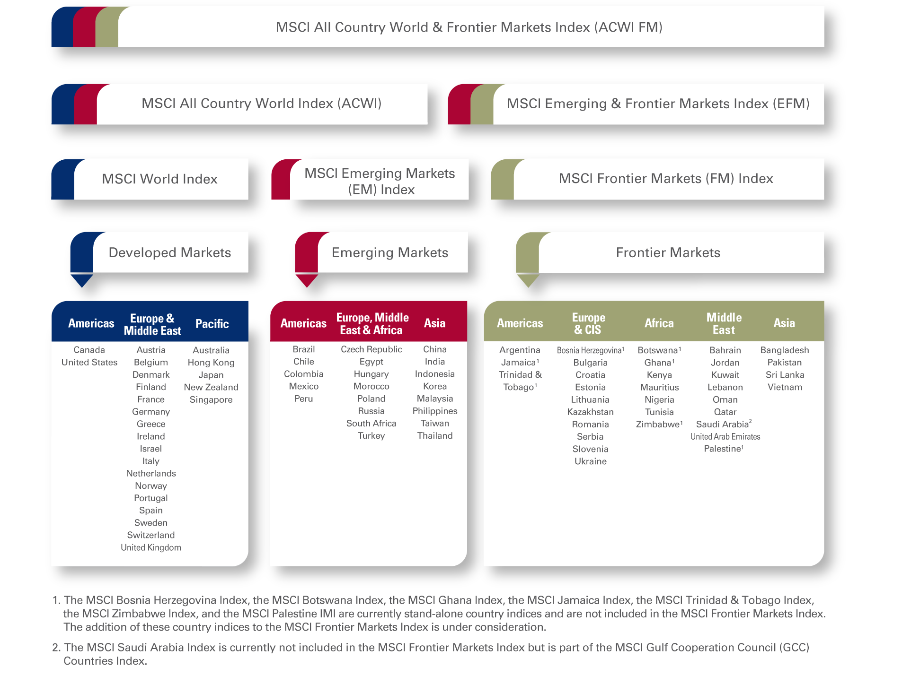
BIP nach Regionen - absolut
 | Americas | Europe & Middle East | Pacific | Emerging Markets | Frontier Markets | Other
1980
1981 | 3137 | 3641 | 1314 | 1536 | 812 | 468
1982 | 3518 | 3244 | 1459 | 1664 | 786 | 488
1983 | 3659 | 3120 | 1375 | 1603 | 676 | 511
1984 | 3979 | 3040 | 1468 | 1580 | 623 | 537
1985 | 4395 | 2919 | 1567 | 1627 | 630 | 524
1986 | 4710 | 3026 | 1636 | 1727 | 557 | 452
1987 | 4967 | 4138 | 2320 | 1763 | 571 | 472
1988 | 5300 | 5116 | 2808 | 1998 | 620 | 487
1989 | 5761 | 5709 | 3419 | 2294 | 666 | 474
1990 | 6224 | 5802 | 3469 | 2673 | 621 | 463
1991 | 6574 | 7201 | 3590 | 2828 | 713 | 498
1992 | 6784 | 7667 | 4040 | 2888 | 761 | 523
1993 | 7131 | 8351 | 4369 | 3262 | 892 | 583
1994 | 7454 | 7596 | 4950 | 3754 | 910 | 584
1995 | 7885 | 8081 | 5466 | 4115 | 987 | 567
1996 | 8266 | 9276 | 6008 | 4793 | 1114 | 653
1997 | 8727 | 9439 | 5456 | 5329 | 1208 | 711
1998 | 9259 | 8874 | 5097 | 5527 | 1242 | 741
1999 | 9721 | 9145 | 4606 | 5075 | 1242 | 747
2000 | 10340 | 9153 | 5154 | 5077 | 1246 | 766
2001 | 11029 | 8519 | 5450 | 5598 | 1327 | 796
2002 | 11358 | 8566 | 4847 | 5596 | 1327 | 831
2003 | 11733 | 9327 | 4723 | 5957 | 1248 | 823
2004 | 12400 | 11306 | 5181 | 6671 | 1496 | 924
2005 | 13295 | 12993 | 5693 | 7826 | 1788 | 1148
2006 | 14260 | 13528 | 5722 | 9238 | 2115 | 1386
2007 | 15169 | 14369 | 5583 | 10801 | 2486 | 1637
2008 | 15938 | 16498 | 5824 | 13202 | 2945 | 2018
2009 | 16263 | 17728 | 6443 | 15295 | 3595 | 2499
2010 | 15789 | 15894 | 6550 | 14855 | 3137 | 2377
2011 | 16572 | 15908 | 7345 | 18040 | 3517 | 2609
2012 | 17312 | 17302 | 8063 | 21056 | 4134 | 2916
2013 | 18066 | 16405 | 8212 | 22003 | 4328 | 3202
2014 | 18549 | 16982 | 7243 | 23010 | 4514 | 3155
2015 | 19325 | 17714 | 7475 | 24276 | 4730 | 3369
2016 | 20369 | 18458 | 7720 | 26234 | 4978 | 3587
2017 | 21500 | 19259 | 8039 | 28366 | 5281 | 3810
2018 | 22668 | 20068 | 8332 | 30682 | 5626 | 4033
 | 23830 | 20942 | 8633 | 33194 | 6010 | 4296

BIP nach Regionen - prozentual
1980 | 3137 | 3641 | 1314 | 1536 | 812 | 468
1981 | 3518 | 3244 | 1459 | 1664 | 786 | 488
1982 | 3659 | 3120 | 1375 | 1603 | 676 | 511
1983 | 3979 | 3040 | 1468 | 1580 | 623 | 537
1984 | 4395 | 2919 | 1567 | 1627 | 630 | 524
1985 | 4710 | 3026 | 1636 | 1727 | 557 | 452
1986 | 4967 | 4138 | 2320 | 1763 | 571 | 472
1987 | 5300 | 5116 | 2808 | 1998 | 620 | 487
1988 | 5761 | 5709 | 3419 | 2294 | 666 | 474
1989 | 6224 | 5802 | 3469 | 2673 | 621 | 463
1990 | 6574 | 7201 | 3590 | 2828 | 713 | 498
1991 | 6784 | 7667 | 4040 | 2888 | 761 | 523
1992 | 7131 | 8351 | 4369 | 3262 | 892 | 583
1993 | 7454 | 7596 | 4950 | 3754 | 910 | 584
1994 | 7885 | 8081 | 5466 | 4115 | 987 | 567
1995 | 8266 | 9276 | 6008 | 4793 | 1114 | 653
1996 | 8727 | 9439 | 5456 | 5329 | 1208 | 711
1997 | 9259 | 8874 | 5097 | 5527 | 1242 | 741
1998 | 9721 | 9145 | 4606 | 5075 | 1242 | 747
1999 | 10340 | 9153 | 5154 | 5077 | 1246 | 766
2000 | 11029 | 8519 | 5450 | 5598 | 1327 | 796
2001 | 11358 | 8566 | 4847 | 5596 | 1327 | 831
2002 | 11733 | 9327 | 4723 | 5957 | 1248 | 823
2003 | 12400 | 11306 | 5181 | 6671 | 1496 | 924
2004 | 13295 | 12993 | 5693 | 7826 | 1788 | 1148
2005 | 14260 | 13528 | 5722 | 9238 | 2115 | 1386
2006 | 15169 | 14369 | 5583 | 10801 | 2486 | 1637
2007 | 15938 | 16498 | 5824 | 13202 | 2945 | 2018
2008 | 16263 | 17728 | 6443 | 15295 | 3595 | 2499
2009 | 15789 | 15894 | 6550 | 14855 | 3137 | 2377
2010 | 16572 | 15908 | 7345 | 18040 | 3517 | 2609
2011 | 17312 | 17302 | 8063 | 21056 | 4134 | 2916
2012 | 18066 | 16405 | 8212 | 22003 | 4328 | 3202
2013 | 18549 | 16982 | 7243 | 23010 | 4514 | 3155
2014 | 19325 | 17714 | 7475 | 24276 | 4730 | 3369
2015 | 20369 | 18458 | 7720 | 26234 | 4978 | 3587
2016 | 21500 | 19259 | 8039 | 28366 | 5281 | 3810
2017 | 22668 | 20068 | 8332 | 30682 | 5626 | 4033
2018 | 23830 | 20942 | 8633 | 33194 | 6010 | 4296

Referenzen:

MSCI Market Classification | http://www.msci.com/products/indices/market_classification.html
BIP Rohdaten | http://www.imf.org/external/pubs/ft/weo/2013/02/weodata/index.aspx
BIP Aufteilung (supertobs) | http://www.wertpapier-forum.de/topic/19390-diskussionsthread-uber-die-musterdepots/page__view__findpost__p__729306
ETF TER | http://www.smarterinvestieren.de/informations/etfs_alle_xtf.php

