Comstage MSCI World
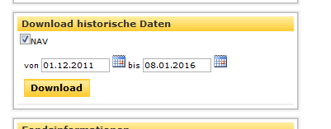
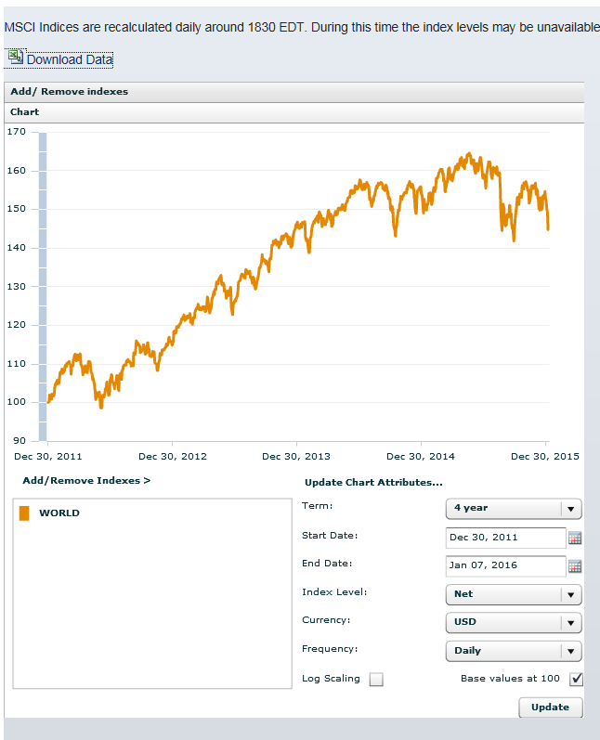
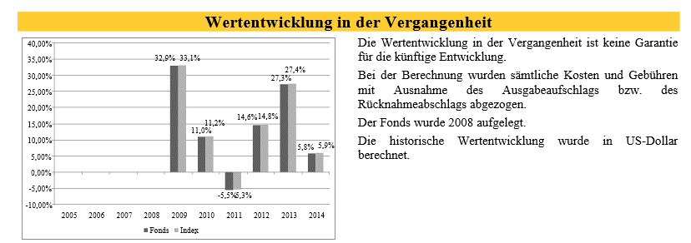
ComStage MSCI World TRN UCITS ETF (ETF110, ISIN LU0392494562)
 |  |  | Index Level : | Net
 |  |  | Currency : | USD

Datum | NAV |  | Date | WORLD Standard (Large+Mid Cap)
2011-12-30 | 29.34 |  | 2011-12-30 | 100.000
2012-12-28 | 33.64 | 14.6% | 2012-12-28 | 114.820 | 14.8% | -0.2%
2013-12-30 | 42.83 | 27.3% | 2013-12-30 | 146.290 | 27.4% | -0.1%
2014-12-30 | 45.30 | 5.8% | 2014-12-30 | 154.990 | 5.9% | -0.2%
2015-12-30 | 45.02 | -0.6% | 2015-12-30 | 153.880 | -0.7% | 0.1%

http://www.comstage.de/Products/ProductDetails.aspx?p=147164488 |  |  | https://www.msci.com/end-of-day-data-regional

DB-Xtracker OY
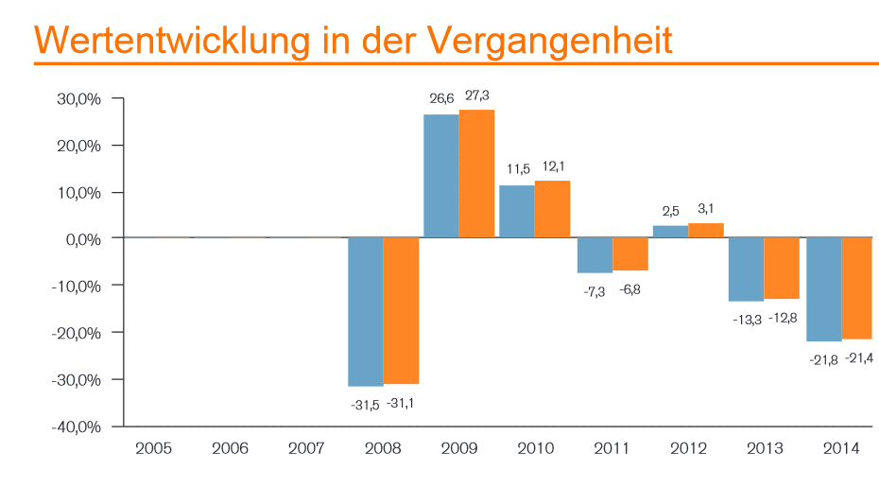
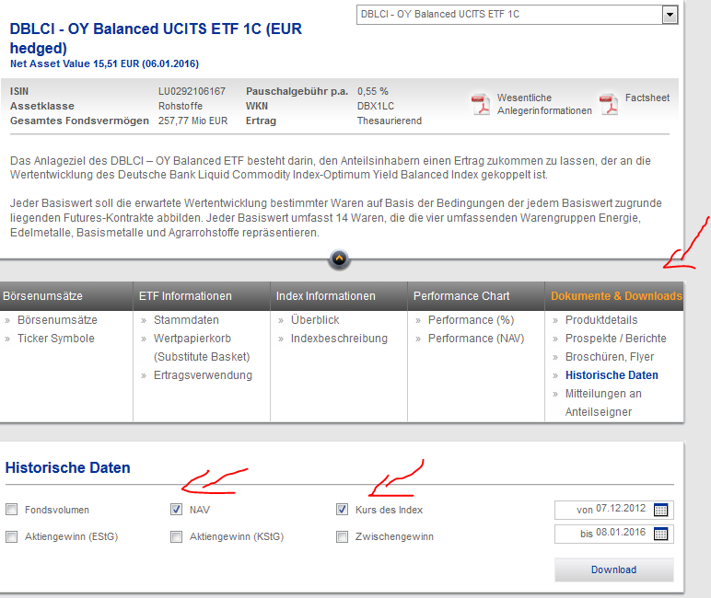
ISIN: LU0292106167
Name: DBLCI - OY Balanced UCITS ETF 1C (EUR hedged)
Historical Data: Currency

Datum | NAV | Kurs des Index
2015-12-31 | 15.91 | 166.84
2014-12-31 | 21.42 | 223.33
2013-12-31 | 27.40 | 284.09
2012-12-31 | 31.60 | 325.77
 |  |  | TRACKING DIFFERENCE
Rendite 2015 | -25.72% | -25.29% | -0.43%
Rendite 2014 | -21.84% | -21.39% | -0.45%
Rendite 2013 | -13.28% | -12.80% | -0.49%

https://etf.deutscheawm.com/DEU/DEU/ETF/LU0292106167/DBX1LC/DBLCI-OY-Balanced-UCITS-ETF

Ishares vs. Comstage
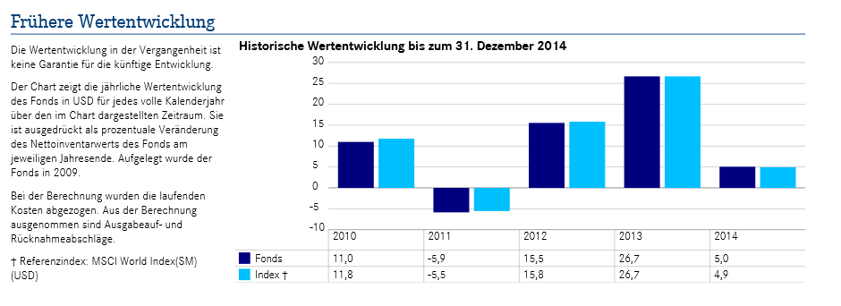
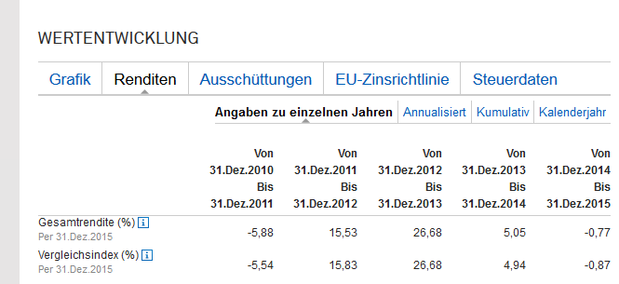
iShares MSCI World UCITS ETF
IE00B4L5Y983

Index Level : | Net |  | Index Level : | Net
Currency : | USD |  | Currency : | USD

Date | WORLD Standard (Large+Mid Cap) |  | Date | WORLD Standard (Large+Mid Cap)
2011-12-30 | 100.000 |  | 2011-12-30 | 100.000
2012-12-31 | 115.830 | 15.8% | 2012-12-28 | 114.820 | 14.8%
2013-12-31 | 146.720 | 26.7% | 2013-12-30 | 146.290 | 27.4%
2014-12-31 | 153.970 | 4.9% | 2014-12-30 | 154.990 | 5.9%
2015-12-31 | 152.630 | -0.9% | 2015-12-30 | 153.880 | -0.7%

